Intro
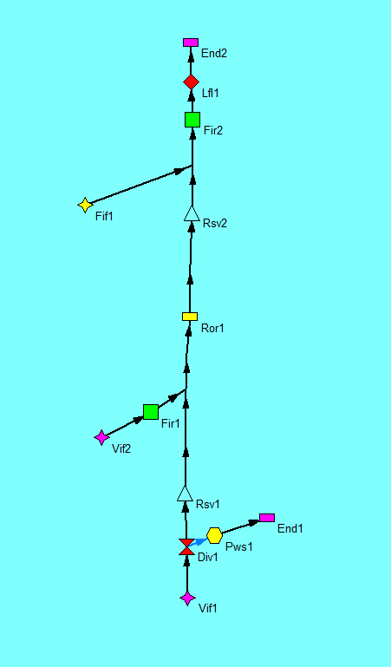
Ribasim - Rtc Tools example model and data: data from Ribasim to RtcTools

Date | 9-Jul-18
Model | RbmRtc01.rbn
Version | Ribasim Version 7.01.20

RIBASIM needs 2 operation rule curves which should be computed by two optimizations:

1. Optimization of firm storage targets for a critical year according to the drought criterium (worst year). For example 1963. The problem is defined by:
 | · a certain initial storage on Jan 1963 and end storage level on end of december, and
 | · hydrologic inputs and demands for water during the critical year

2. Optimization of maximum energy storage targets. The problem is defined by:
 | · Initial storage = end storage
 | · Firm storage targets from the firm storage optimization are entered as minimum constraints on storage
 | · Average hydrologic inputs and demands for water

